1. Title Page
Project Name: Instacart Grocery Analysis
Date: 12/15/2021
Analyst Name: Odette Tartak

Contents:
Population Flow
Consistency checks
Wrangling steps
Column derivations
Visualizations
Recommendations

Project objective
Instacart already has very good sales, but they want to uncover more information about their sales patterns. Perform an initial data and exploratory
analysis of some of their data in order to derive insights and suggest strategies for better segmentation based on the provided criteria.

Context
The Instacart stakeholders are most interested in the variety of customers in their database along with their purchasing behaviors.
They assume they can't target everyone using the same methods, and they’re considering a targeted marketing strategy.
They want to target different customers with applicable marketing campaigns to see whether they have an effect on the sale of their products.
This analysis will inform what the strategy might look like to ensure Instacart targets the right customer profiles with the appropriate products.

Data citation
“The Instacart Online Grocery Shopping Dataset 2017”, Accessed from https://www.instacart.com/datasets/grocery-shopping-2017 on 25th October 2021

Note regarding fabricated data
Some data, including all customer information and the 'prices' column in the products data set, were fabricated for educational purposes.

2. Population Flow
Title page

Population flow

Exclusion flag
Condition: max_order < 5
Obervations to be removed: 2,078,102
Final total count of order_products_all: 30,563,166

Orders_products_combined
Orders_products_merged
Orders_products_all

Total: 32,641,268
Total: 32,640,698
Total: 32,641,268

1.) The grey boxes in the first row of the population flow represent the original data sets as they were when you downloaded them. In the Total fields you need to add the count of the rows when you imported the data set into Jupyter.
2.) The second row of boxes (coloured) represents the data sets after you manipulated them, e.g., removed missing values and duplicates. In the Total fields you need to add the count of the rows after conducting these operations. This offers a visual oveview of how the data flows throughout the data consistency checks.
3.) The third row, where also the arrows are coloured, represents the merges you performed between the datasets. In the Total fields you need to add the count of the rows in the merged datasets, so that you end up with the final dataset (in the red box). Keep in mind the final dataset should be without exclusions (based on the exclusion flag).

3. Consistency checks
 |  |  |  | Title page
Consistency checks

Dataset | Missing values | Missing values treatment | Duplicates
orders | 206,209 missing days_since_last_order values | Imputed the missing values with '0', as the values weren't missing, but indicated that there was no prior order | NONE
products | 16 missing values in product name column | Created missing values subset; created new products dataframe excluding these missing values | 5 full duplicates found; created new product dataframe excluding these duplicates
orders_products_prior | NONE | NONE | NONE
customers | NONE | NONE | NONE

4. Wrangling steps
 |  |  |  | Title page
Wrangling steps

Columns dropped | Columns renamed | Columns' type changed | Comment/Reason
eval_set |  |  | Column not needed for analysis
 | orders_dow changed to orders_day_of_week |  | Changed to more intuitive name
 |  | order_id changed to string | No mathematical operations should be performed on the order_id
 |  | user_id changed to string | No mathematical operations should be performed on the user id
 |  | First Name changed from mixed-type to string | Removal of mixed-type columns
 | Surnam -> Surname |  | Typo
 | fam_status --> marital_status |  | Changed to more intuitive name, U.S. version
 | n_dependants --> dependents |  | Corrected spelling for U.S. version
First_name |  |  | PII - Protected Identifiable data
Last_name |  |  | PII - Protected Identifiable data
Unnamed: 0 |  |  | Column not needed for analysis

5. Column derivations
 |  |  |  | Title page

Column derivations and aggregations

In this tab you should add tables below that the frequences of flags/label variables that you produced after deriving them. NB: don't do this for continuous variables, only for flags.
Dataset | New column | Column/s it was derived from | Conditions
orders_products_merge | busiest_days | orders_day_of_week | If day of week is 0 & 1 = 'busiest days, if day of week is 3 & 4 = 'least busy', everything else = 'regularly busy'
orders_products_merge | busiest_days | orders_day_of_week | If day of week is 0 & 1 = 'busiest days, if day of week is 3 & 4 = 'least busy', everything else = 'regularly busy'
orders_products_merge | busiest_period_of_day | order_hour_of_day | If hours between 9-17 = 'most orders', if hours are 7 & 8 & between 18-23 = 'average orders', if between 0-6 = 'fewest orders'
orders_products_merge | loyalty_flag | max_order | Loyal customer = max_order > 40; Regular customer = max_order <= 40 and max order > 10; New customer = max_order <= 10
orders_products_merge | spending_type | prices & average spend | High Spender = average price >= 10; Low Spender = average price < 10
orders_products_merge | order_frequency | median_order_days & days_since_last_order | If median order days above 20 = 'non-frequent customer', if median order days between 10 & 20 = 'regular customer', if 10 or less = 'frequent customer'
ords_prods_cust | REGION | STATE | Each U.S. State categorised within a particular region based on: 'South', 'West', 'Midwest', 'Northeast'
ords_prods_cust | activity_flag | max_order | If max order under 5 = 'low activity' customer, if max order is 5 or greater = 'high activity' customer
ords_prods_cust | customer_profile | Age, marital_status, dependents | Old single Adult = age > 40, single, 0 depndents, Young single adult = age <=40, single, 0 dependents, Young single parent = age<=40, single, >=1 dependents, Old Single parent = age > 40, single, dependents>=1, Young married parent = age <= 40, married, dependents >= 1, Old married parent =age > 40, married, dependent >= 1, Young married adult = age <= 40, married, dependent =0, Old married adult = age > 40, married, dependent =0.

6. Visualizations
 | Title page

Visualisations

1. The sales team needs to know what the busiest days of the week and hours of the day are (i.e., the days and times with the most orders) in order to schedule ads at times when there are fewer orders.

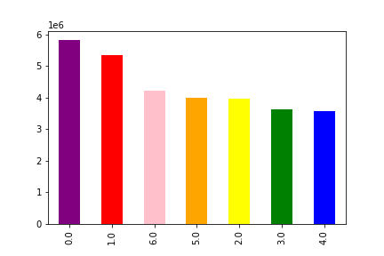

Orders by day of the week

Legend
0 = Saturday
1 = Sunday
2 = Monday
3 = Tuesday
4 = Wednesday
5 = Thursday
6 = Friday

Days of the week

As the bar chart visualization above shows, most orders are placed on the weekends (Sat & Sun), with the higher day of sales being on Saturdays. Increased rebates should be offered during weekdays to encourage sales.

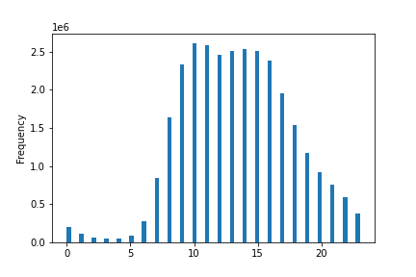
Busiest Hours of day

Legend
0-24 Hrs in Military time

Hour of day
Above listed Histogram findings indicates increased orders placed from 10 am to 4 pm and decreased orders placed between 12 am and 6am where the client population is most likely sleeping.

2. They also want to know if there are particular times of the day when people spend the most money, as this might inform the type of products they advertise at these times.

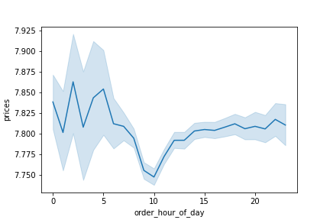

Prices based on time of day

Legend
0-24 Hrs in Military time

The line chart above shows decreased spendng at 10 & 11am relating to the busiest hours of the day according to the previous histogram visualization.
Increased spending is noted between 2 & 7am, which is outside the time that customers make the most orders as shown in previous histogram. Expenditure increases again in the late afternoon and evening.


3. Instacart has a lot of products with different price tags. Marketing and sales want to use simpler price range groupings to help direct their efforts.

Distribution of Prices

The histogram above indicates that most products bought are priced between $1 and $15. The bar chart below also shows that the MID-RANGE (Cost of $10-$15) products have an increased amount or orders when compared to
high range products, or items costing greater than $15.

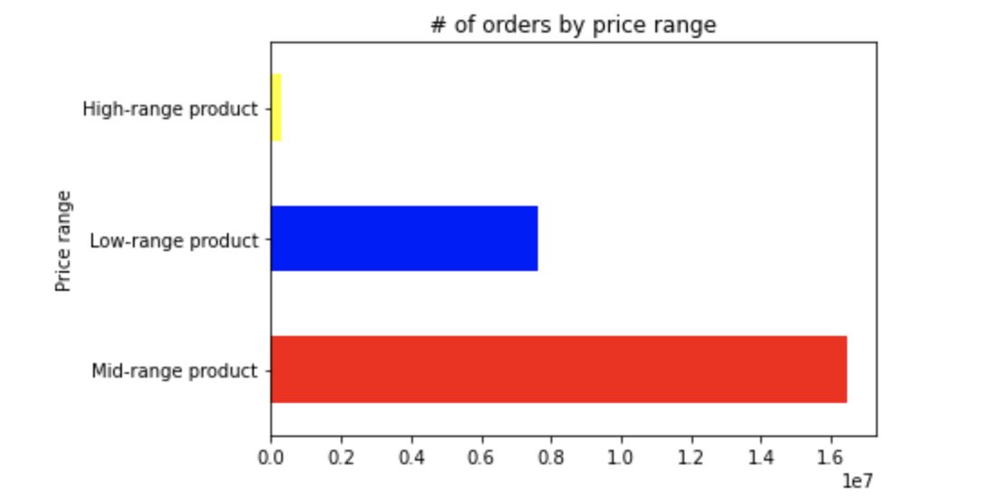

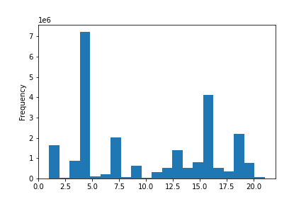
4. Are there certain types of products that are more popular than others? (Which departments have the highest frequency of product orders?)

Order Frequency Based on Department ID

Legend
Dept ID
1 frozen
2 other
3 bakery
4 produce
5 alcohol
6 international
7 beverages
8 pets
9 dry goods pasta
10 bulk
11 personal care
12 meat seafood
13 pantry
14 breakfast
15 canned goods
16 dairy eggs
17 household
18 babies
19 snacks
20 deli Product ID
21 missing

The histogram above indicates that most popular dpeartment is produce followed closely by dairy eggs. We can also see the least popular departments that include bulk and frozen items.

The marketing and sales teams are particularly interested in the different types of customers in their system and how their ordering behaviors differ. For example:
A. What’s the distribution among users in regards to their brand loyalty (i.e., how often do they return to Instacart)?

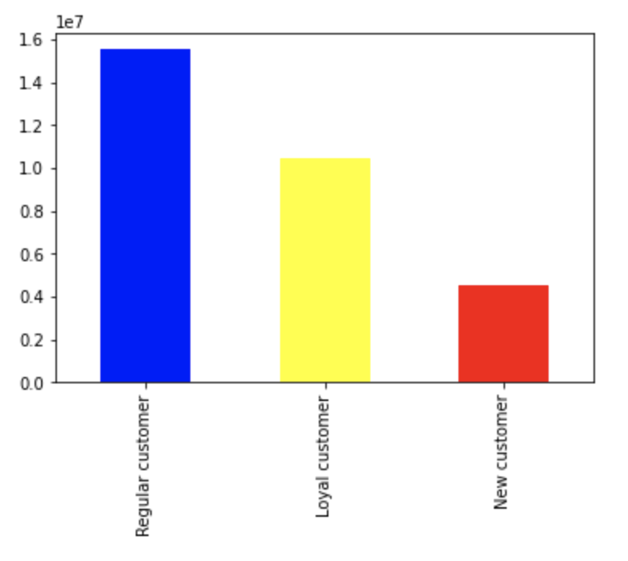
Orders Based on Customer Loyalty

Loyality Flag

As the bar chart visualization above shows, the REGULAR CUSTOMERS make the most orders using Instacart when compared to new or loyal customers.

B. Are there differences in ordering habits based on a customer’s loyalty status?

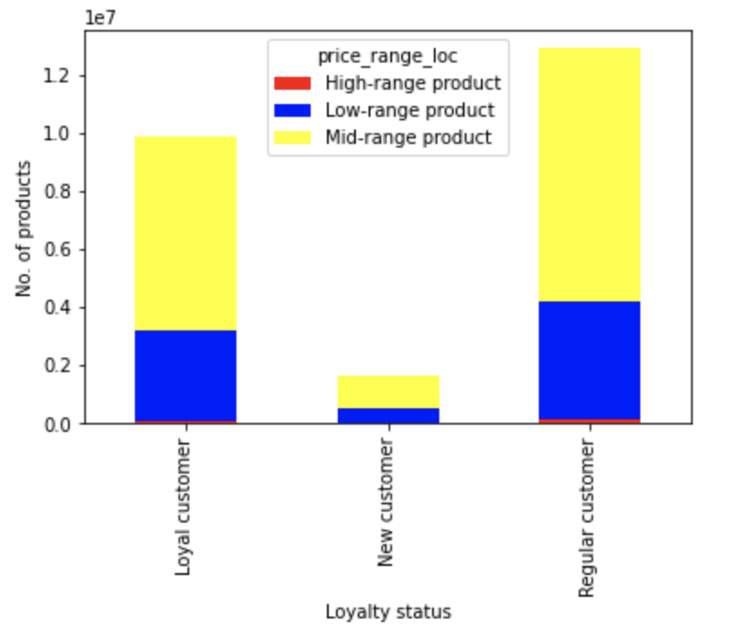

As the bar chart visualization above shows, the reiteration of REGULAR CUSTOMERS making most of the orders when compared to New or Loyal customers but as far as ordering the range of products, there are no distinguishable differences.

C. Are there differences in ordering habits based on a customer’s region?

Regional Spending Habits
 | High spender | Low spender
Midwest | 149908 | 7012421
Northeast | 103985 | 5294008
South | 199342 | 9978614
West | 151586 | 7673293

As the bar chart visualization based on the data of regions and spending above shows, there is a significantly higher amount of population in the U.S. region that containg low spenders
(recalling if average customer expendutures are equals to or is greater than 10 = 'high spender', if they are under 10 = 'low spender')
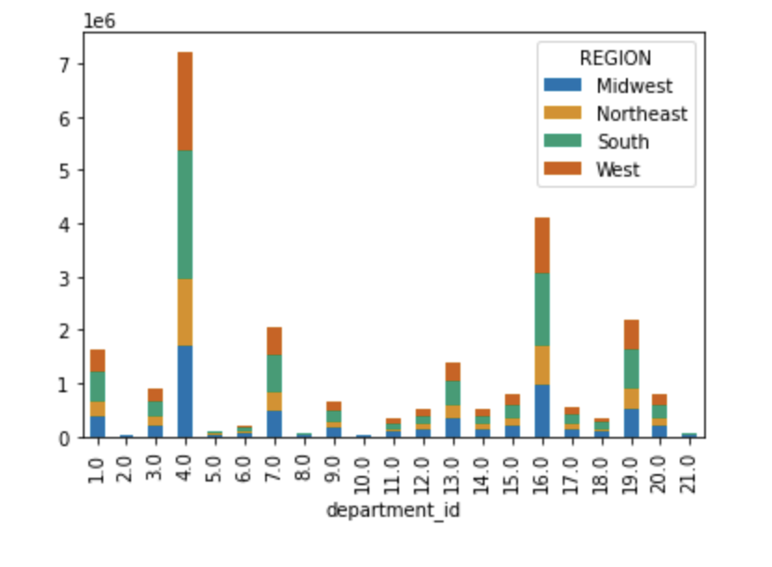

In terms of what products customers in different regions are buying, the stacked bar chart visualization above shows that
again Produce and Dairy/egg are in high demand but there seems to be no distinguishable difference in types of products purchased.

D. Is there a connection between age and family status in terms of ordering habits?

Marital Status & Spending Habits
 | Loyal customer | New customer | Regular customer
divorced/widowed | 853019 | 145494 | 1108218
living with parents and siblings | 473346 | 79971 | 627883
married | 6937745 | 1216540 | 9127713
single | 1648195 | 286689 | 2114874

As the bar chart visualization above shows, there is a significant representation of married customers with kids who make up most the orders.

E. What different classifications does the demographic information suggest? Age? Income? Certain types of goods? Family status?
Age vs. Income
 | 100000-199999 | 100000-200000 | 100000-200001 | 100000-200002 | 100000-200003 | 100000-200004
20-29 | 133785 | 6580 | 10062 | 0 | 4631479 | 0
30-39 | 138170 | 8747 | 8928 | 0 | 4630339 | 0
40-49 | 2995806 | 39654 | 6339 | 9008 | 1763803 | 5736
50-59 | 3265742 | 24371 | 10431 | 3972 | 1468297 | 3494
60-69 | 3233746 | 30677 | 8696 | 7444 | 1419245 | 2561
70-79 | 3295497 | 30887 | 4769 | 5444 | 1425589 | 4780
80+ | 645493 | 7778 | 567 | 1129 | 310067 | 1888
<19 | 27884 | 1576 | 1941 | 0 | 930765 | 0

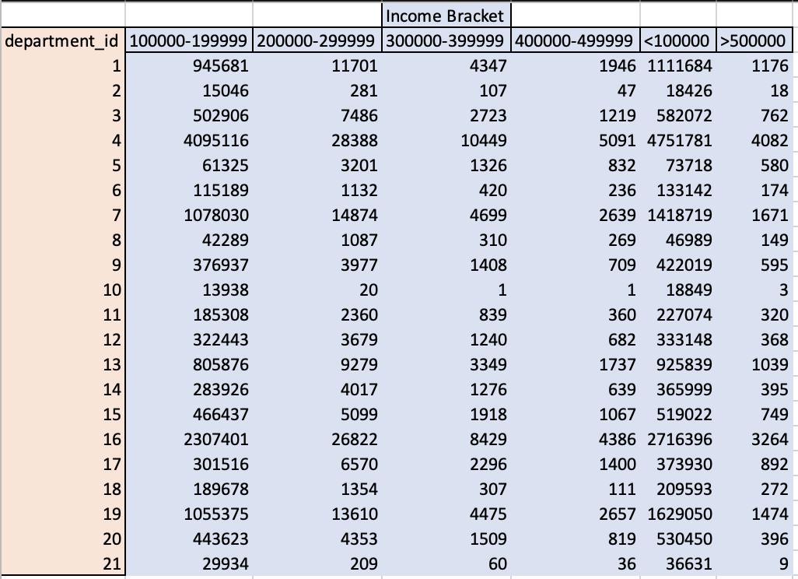
Department sales vs. Income
 | 100000-199999 | 200000-299999 | 300000-399999 | 400000-499999 | <100000 | >500000
1 | 945681 | 11701 | 4347 | 1946 | 1111684 | 1176
2 | 15046 | 281 | 107 | 47 | 18426 | 18
3 | 502906 | 7486 | 2723 | 1219 | 582072 | 762
4 | 4095116 | 28388 | 10449 | 5091 | 4751781 | 4082
5 | 61325 | 3201 | 1326 | 832 | 73718 | 580
6 | 115189 | 1132 | 420 | 236 | 133142 | 174
7 | 1078030 | 14874 | 4699 | 2639 | 1418719 | 1671
8 | 42289 | 1087 | 310 | 269 | 46989 | 149
9 | 376937 | 3977 | 1408 | 709 | 422019 | 595
10 | 13938 | 20 | 1 | 1 | 18849 | 3
11 | 185308 | 2360 | 839 | 360 | 227074 | 320
12 | 322443 | 3679 | 1240 | 682 | 333148 | 368
13 | 805876 | 9279 | 3349 | 1737 | 925839 | 1039
14 | 283926 | 4017 | 1276 | 639 | 365999 | 395
15 | 466437 | 5099 | 1918 | 1067 | 519022 | 749
16 | 2307401 | 26822 | 8429 | 4386 | 2716396 | 3264
17 | 301516 | 6570 | 2296 | 1400 | 373930 | 892
18 | 189678 | 1354 | 307 | 111 | 209593 | 272
19 | 1055375 | 13610 | 4475 | 2657 | 1629050 | 1474
20 | 443623 | 4353 | 1509 | 819 | 530450 | 396
21 | 29934 | 209 | 60 | 36 | 36631 | 9
As the bar chart visualization infers key demographic suggestions in regards to age and income, note that age groups 20 -39 are lower-income bracket customers where as age brakets 40 to 80+ have mostly high income customers.
Legend

1 frozen
2 other
3 bakery
4 produce
5 alcohol
6 international
7 beverages
8 pets
9 dry goods pasta
10 bulk
11 personal care
12 meat seafood
13 pantry
14 breakfast
15 canned goods
16 dairy eggs
17 household
18 babies
19 snacks
20 deli
21 missing

As the bar chart visualization infers key demographic suggestions in regards to departments and income. Note that there is a general overall preference as suggested before for
Instacart Customers to buy mostly from the produce and egg/dairy departments.
Parental Status vs. Ordering Habits
 | Non-parent | Parent
Frequent customer | 5174986 | 15583593
Non-frequent customer | 773814 | 2358778
Regular customer | 1689468 | 4982527

As the bar chart visualization infers key demographic suggestions in regards to Parental Status and Orders made, note that Parents are among the highest purchasers and make up a big percentage of the frequent customer base.
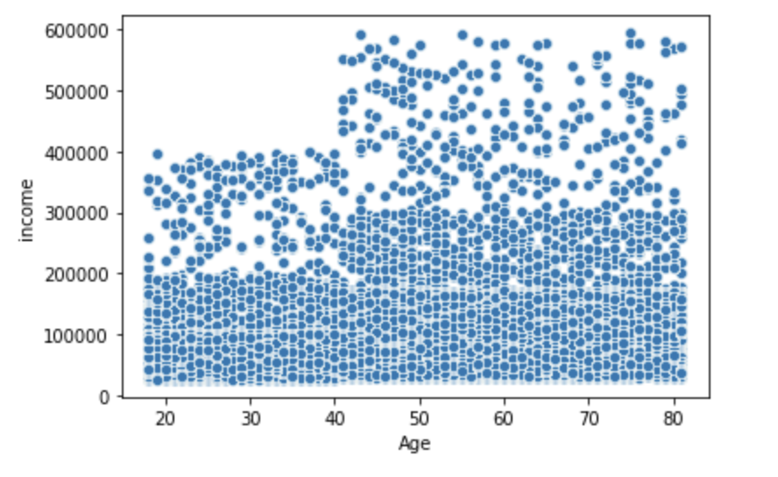

Another look at income and age variables using a scatter plot we see and upward trend in mean incomes with increased age, a positive correlation.

E. What differences can you find in ordering habits of different customer profiles? Consider the price of orders, the frequency of orders, the products customers are ordering, and anything else you can think of.
Stistical Analysis of Price of orders by cutomer profiles

The table above indicates that there is not much of a difference in prices of orders among the different profiles, with average being 11-12 in prices, however we do note that young single parents tend to make lower price purchases possibly due to budget.

The table above indicates that there is an an average of 9 days among the various customer profiled population in between orders and a maximum of 30 days between orders.

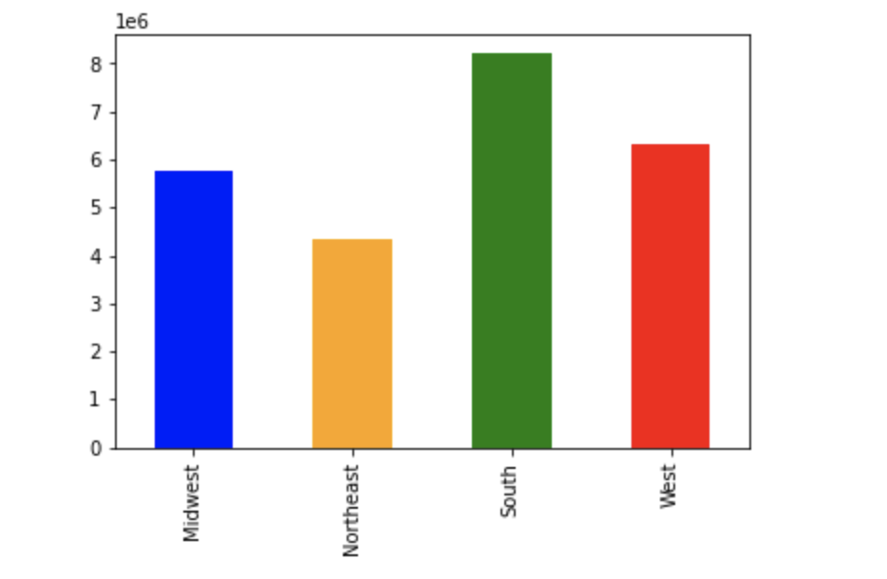
The table above indicates that there is an an overall higher amoutn of low spenders among the profiled population.
Orders based on Region

ORDER AMOUNT

As the bar chart visualization above shows, the south western regions of the U.S. make the most orders and show a higher representation.

7. Recommendations
 | Title page

Recommendations
Visualizations

1. The sales team needs to know what the busiest days of the week and hours of the day are (i.e., the days and times with the most orders) in order to schedule ads at times when there are fewer orders.

Orders by day of the week

Legend
0 = Saturday
1 = Sunday
2 = Monday
3 = Tuesday
4 = Wednesday
5 = Thursday
6 = Friday

Days of the week
As the bar chart visualization above shows, most orders are placed on the weekends (Sat & Sun), with the higher day of sales being on Saturdays. Increased rebates should be offered during weekdays to encourage sales.
Recommendation: Increased instant rebates and FLASH SALES should be offered during weekdays. Mid-week -Weds-Tues offer advertisements need to be pushed.

Busiest Hours of day

Legend
0-24 Hrs in Military time

Hour of day
Above listed Histogram findings indicates increased orders placed from 10 am to 4 pm and decreased orders placed between 12 am and 6am where the client population is most likely sleeping.
Recommendation: Increased rebates and FLASH SALES should be offered after 6 pm to encourage sales. Evening items should be advertised to encourage evening sales.

2. They also want to know if there are particular times of the day when people spend the most money, as this might inform the type of products they advertise at these times.

Prices based on time of day

Legend
0-24 Hrs in Military time

The line chart above shows decreased spending at 10 & 11am relating to the busiest hours of the day according to the previous histogram visualization.
Increased spending is noted between 2 & 7am, which is outside the time that customers make the most orders as shown in previous histogram. Expenditures increase again in the late afternoon and evening.
Recommendation: Pop-up sales catering to evening and lunch hours should be offered to encourage sales. Increased sales are occurring during morning hours. Rebates/deals need to be offered for lunch, afternoon and evenings hours.

3. Instacart has a lot of products with different price tags. Marketing and sales want to use simpler price range groupings to help direct their efforts.

Distribution of Prices

The histogram above indicates that most products bought are priced between $1 and $15. The bar chart below also shows that the MID-RANGE (Cost of $10-$15) products have an increased amount or orders when compared to
high range products, or items costing greater than $15.

Recommendation: High-range products are suffering in sales and need to be coupled with mid-low-range products for combo deals. Taking % rebates, sales off of High-Range products or offering alternatives
when buying Mid-range products will increase sales.

4. Are there certain types of products that are more popular than others? (Which departments have the highest frequency of product orders?)

Order Frequency Based on Department ID

Legend
Dept ID
1 frozen
2 other
3 bakery
4 produce
5 alcohol
6 international
7 beverages
8 pets
9 dry goods pasta
10 bulk
11 personal care
12 meat seafood
13 pantry
14 breakfast
15 canned goods
16 dairy eggs
17 household
18 babies
19 snacks
20 deli Product ID
21 missing

The histogram above indicates that most popular department is produce followed closely by dairy eggs. We can also see the least popular departments that include bulk and frozen items.
Recommendation: Bulk, pets, alcohol and international item sales are suffering, again coupling rebates when customers buy higher ordered items such as produce and dairy can increase sales and awareness that other items exist in the
Instacart product offerings. People will buy items if you make them aware products do exist by offering rebates on coupled lows ordered items.

The marketing and sales teams are particularly interested in the different types of customers in their system and how their ordering behaviors differ. For example:
A. What’s the distribution among users in regards to their brand loyalty (i.e., how often do they return to Instacart)?

Orders Based on Customer Loyalty

Loyalty Flag

As the bar chart visualization above shows, the REGULAR CUSTOMERS make the most orders using Instacart when compared to new or loyal customers.
Recommendation: Loyal Customers are being under-looked and need acknowledgment, tiers need to be created based on order totals. Silver, gold and platinum status get free shipping or get points that can be used towards rebates in
future purchases. New customers should be offered a first time use gift card or first purchase rebate so they have incentive to shop with the company.

B. Are there differences in ordering habits based on a customer’s loyalty status?

As the bar chart visualization above shows, the reiteration of REGULAR CUSTOMERS making most of the orders when compared to New or Loyal customers but as far as ordering the range of products, there are no distinguishable differences.
Recommendation: No discernable difference is seen among the loyalty groups, all sectors of mid-low & high range products need to promoted. Coupling Mid-range with high-range products rebates will increase sales of lesser known items.

C. Are there differences in ordering habits based on a customer’s region?

Regional Spending Habits
 | High spender | Low spender
Midwest | 149908 | 7012421
Northeast | 103985 | 5294008
South | 199342 | 9978614
West | 151586 | 7673293

As the bar chart visualization based on the data of regions and spending above shows, there is a significantly higher amount of population in the U.S. region that contain low spenders
(recalling if average customer expenditures are equals to or is greater than 10 = 'high spender', if they are under 10 = 'low spender')

In terms of what products customers in different regions are buying, the stacked bar chart visualization above shows that
again Produce and Dairy/egg are in high demand but there seems to be no distinguishable difference in types of products purchased.
Recommendation: Sub-categorization with customer profiles in different regions allows the company to tailor-make ads and rebates directed to the exact right customer profile and individual. This will encourage repeat purchases and
brand loyalty representation among the different section/regions of the U.S. market.

D. Is there a connection between age and family status in terms of ordering habits?

Marital Status & Spending Habits
 | Loyal customer | New customer | Regular customer
divorced/widowed | 853019 | 145494 | 1108218
living with parents and siblings | 473346 | 79971 | 627883
married | 6937745 | 1216540 | 9127713
single | 1648195 | 286689 | 2114874

As the bar chart visualization above shows, there is a significant representation of married customers with kids who make up most the orders.
Recommendation: Customers who are married with kids have higher expenditures with a higher cost of living due to increased individuals within the family circle. Increased ads need to be directed with offerings that apply to the other
Marital status groups, for example single status customers tend to go out and drink and since alcohol department sales are low as seen already, more alcohol related pop-up advertisement can be pushed towards this group to increase sales.

E. What different classifications does the demographic information suggest? Age? Income? Certain types of goods? Family status?
Age vs. Income
 | 100000-199999 | 100000-200000 | 100000-200001 | 100000-200002 | 100000-200003 | 100000-200004
20-29 | 133785 | 6580 | 10062 | 0 | 4631479 | 0
30-39 | 138170 | 8747 | 8928 | 0 | 4630339 | 0
40-49 | 2995806 | 39654 | 6339 | 9008 | 1763803 | 5736
50-59 | 3265742 | 24371 | 10431 | 3972 | 1468297 | 3494
60-69 | 3233746 | 30677 | 8696 | 7444 | 1419245 | 2561
70-79 | 3295497 | 30887 | 4769 | 5444 | 1425589 | 4780
80+ | 645493 | 7778 | 567 | 1129 | 310067 | 1888
<19 | 27884 | 1576 | 1941 | 0 | 930765 | 0

Department sales vs. Income
 | 100000-199999 | 200000-299999 | 300000-399999 | 400000-499999 | <100000 | >500000
1 | 945681 | 11701 | 4347 | 1946 | 1111684 | 1176
2 | 15046 | 281 | 107 | 47 | 18426 | 18
3 | 502906 | 7486 | 2723 | 1219 | 582072 | 762
4 | 4095116 | 28388 | 10449 | 5091 | 4751781 | 4082
5 | 61325 | 3201 | 1326 | 832 | 73718 | 580
6 | 115189 | 1132 | 420 | 236 | 133142 | 174
7 | 1078030 | 14874 | 4699 | 2639 | 1418719 | 1671
8 | 42289 | 1087 | 310 | 269 | 46989 | 149
9 | 376937 | 3977 | 1408 | 709 | 422019 | 595
10 | 13938 | 20 | 1 | 1 | 18849 | 3
11 | 185308 | 2360 | 839 | 360 | 227074 | 320
12 | 322443 | 3679 | 1240 | 682 | 333148 | 368
13 | 805876 | 9279 | 3349 | 1737 | 925839 | 1039
14 | 283926 | 4017 | 1276 | 639 | 365999 | 395
15 | 466437 | 5099 | 1918 | 1067 | 519022 | 749
16 | 2307401 | 26822 | 8429 | 4386 | 2716396 | 3264
17 | 301516 | 6570 | 2296 | 1400 | 373930 | 892
18 | 189678 | 1354 | 307 | 111 | 209593 | 272
19 | 1055375 | 13610 | 4475 | 2657 | 1629050 | 1474
20 | 443623 | 4353 | 1509 | 819 | 530450 | 396
21 | 29934 | 209 | 60 | 36 | 36631 | 9
As the bar chart visualization infers key demographic suggestions in regards to age and income, note that age groups 20 -39 are lower-income bracket customers where as age brackets 40 to 80+ have mostly high income customers.
Legend

1 frozen
2 other
3 bakery
4 produce
5 alcohol
6 international
7 beverages
8 pets
9 dry goods pasta
10 bulk
11 personal care
12 meat seafood
13 pantry
14 breakfast
15 canned goods
16 dairy eggs
17 household
18 babies
19 snacks
20 deli
21 missing

As the bar chart visualization infers key demographic suggestions in regards to departments and income. Note that there is a general overall preference as suggested before for
Instacart Customers to buy mostly from the produce and egg/dairy departments.
Parental Status vs. Ordering Habits
 | Non-parent | Parent
Frequent customer | 5174986 | 15583593
Non-frequent customer | 773814 | 2358778
Regular customer | 1689468 | 4982527

As the bar chart visualization infers key demographic suggestions in regards to Parental Status and Orders made, note that Parents are among the highest purchasers and make up a big percentage of the frequent customer base.

Another look at income and age variables using a scatter plot we see and upward trend in mean incomes with increased age, a positive correlation.
Recommendation: Customers with increased income have the ability to spend more, and we can increases high-range products sales as well by pushing spending based tiers (gold, silver, platinum etc.) so the high income customers spend
spend more & get more rebates based on this spending. Non-parents also need to be better represented by offering them non-parents related department items & products not needed by children that the Customers who are Parents have.

E. What differences can you find in ordering habits of different customer profiles? Consider the price of orders, the frequency of orders, the products customers are ordering, and anything else you can think of.
Statical Analysis of Price of orders by customer profiles

The table above indicates that there is not much of a difference in prices of orders among the different profiles, with average being 11-12 in prices, however we do note that young single parents tend to make lower price purchases possibly due to budget.

The table above indicates that there is an average of 9 days among the various customer profiled population in between orders and a maximum of 30 days between orders.

The table above indicates that there is an an overall higher amount of low spenders among the profiled population.
Orders based on Region

ORDER AMOUNT

As the bar chart visualization above shows, the south western regions of the U.S. make the most orders and show a higher representation.
Recommendation: There is a lower spending power amount young single parents, this maybe due to carrying on a single parent income family without the help of a significant other, these customers need more rebates and promotions
in order to allow them to afford our products. We can also decrease days between orders by offering "Valid within 24 hours only" rebates for customers to apply coupons with each purchase towards the next purchase. High spenders have
the money but may not know where to spend it so pop-ups deal based on customer searches can help promote high-end item sales withing the high-spender customer base and increase overall profits. Regionally, more advertisement
needs to be made in the Midwest and north eastern regions in order to catch-up if not surpass the higher sales in the south and west regions of the U.S.

